Sheet1
Product Name | SKU | Quantity | asin | Amazon price
MIRROR | MIRROR | ZNH-MR0114450-JGX | 1906 | B0DK1FPCM9 | 49.99 | 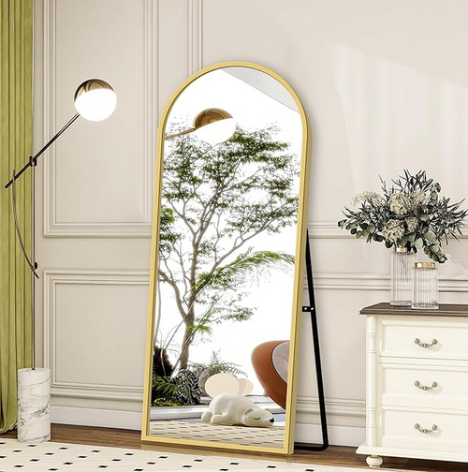 | https://www.amazon.com/GlasFlength-Full-Length-Mirror-Stand/dp/B0DK1FPCM9/ref=sr_1_1?crid=BVCQLLURY5ZQ&dib=eyJ2IjoiMSJ9.jO202J5Wdf-e7L5_bA47Ew.EAUsG-8IBL6Y4vvfgC6t9Lmk4l16MIJeF4YbHMdI3nE&dib_tag=se&keywords=B0DK1FPCM9&qid=1743587942&sprefix=b0dk1fpcm9%2Caps%2C259&sr=8-1&th=1
MIRROR | MIRROR | ZNH-SMR0119390-HGX | 525 | B0CXTFHYJT | 229.99 | 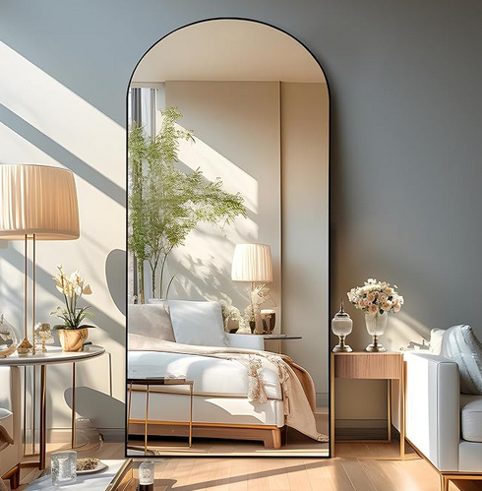 | https://www.amazon.com/NicBex-Oversized-Full-Body-Mirror-Aluminum/dp/B0CXTFHYJT/ref=sr_1_1?crid=3CYLL5BZ7D12O&dib=eyJ2IjoiMSJ9.PmQ0xxCX5MCTmawa6-1OjQ.7pwwlSdfJe4t0AP8QElm2R3yzyv7jDasBBWVxMTEW2Y&dib_tag=se&keywords=B0CXTFHYJT&qid=1743587977&sprefix=b0cxtfhyjt%2Caps%2C310&sr=8-1
MIRROR | MIRROR | ZNH-SMR0119390-HZJ | 335 | B0D631FS1N | 246.12 | 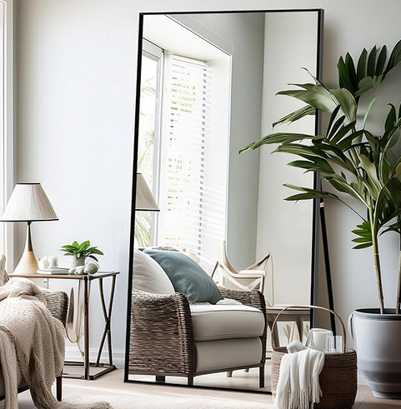 | https://www.amazon.com/NicBex-Oversized-Full-Body-Mirror-Aluminum/dp/B0D631FS1N/ref=sr_1_1?crid=RR769BZ4NXAD&dib=eyJ2IjoiMSJ9.pxUrboFRsyly7fBqDBrimw.Xoz4Rzk-B85Da6mL16GZY4iL-TfUesnTEFtGEcs0hFI&dib_tag=se&keywords=B0D631FS1N&qid=1743587993&sprefix=b0d631fs1n%2Caps%2C805&sr=8-1
MIRROR | MIRROR | ZNH-MR0119390-JGX | 378 | B0CP7SC2HX | 189.99 |  | https://www.amazon.com/TinyTimes-Length-Mirror-Contemporary-Aluminum/dp/B0CP7SC2HX/ref=sr_1_1?crid=K2YP0ZBB4QGI&dib=eyJ2IjoiMSJ9.8m_HCdGBomw7RKOZH1VyGw.OhUCYFUUKGwZmA3aMr5RCGaGb62Cpqle-N2q28TNnQU&dib_tag=se&keywords=B0CP7SC2HX&qid=1743588006&sprefix=b0cp7sc2hx%2Caps%2C305&sr=8-1
MIRROR | MIRROR | ZNH-SMR0119390-JZJ | 305 | B0D631TJHY | 199.99 | 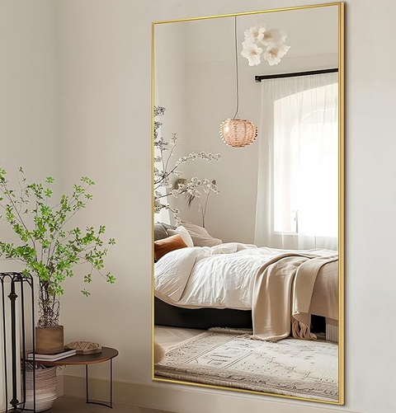 | https://www.amazon.com/NicBex-Oversized-Full-Body-Mirror-Aluminum/dp/B0D631TJHY/ref=sr_1_1?crid=1PKSMGR5HZ48R&dib=eyJ2IjoiMSJ9.dghjd0AR63e8j39URAIqrA.FgholDMu20kFpm0yy_Vvln1SaBUFLSiBRq3cZQz9HLs&dib_tag=se&keywords=B0D631TJHY&qid=1743588054&sprefix=%2Caps%2C251&sr=8-1
MIRROR | MIRROR | ZNH-MR0119390-HGX | 450 | B0CXTFHYJT | 229.99 | 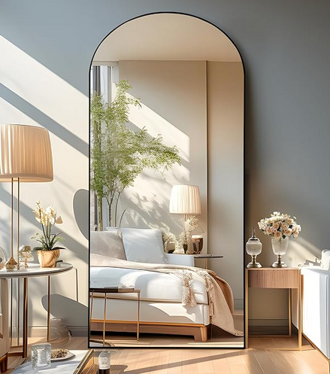 | https://www.amazon.com/NicBex-Oversized-Full-Body-Mirror-Aluminum/dp/B0CXTFHYJT/ref=sr_1_1?crid=66ZQMW6I2LJW&dib=eyJ2IjoiMSJ9.PmQ0xxCX5MCTmawa6-1OjQ.7pwwlSdfJe4t0AP8QElm2R3yzyv7jDasBBWVxMTEW2Y&dib_tag=se&keywords=B0CXTFHYJT&qid=1743588072&sprefix=b0cxtfhyjt%2Caps%2C354&sr=8-1
MIRROR | MIRROR | ZNH-SMR0114450-JGX | 503 | B0DK1FPCM9 | 49.99 | 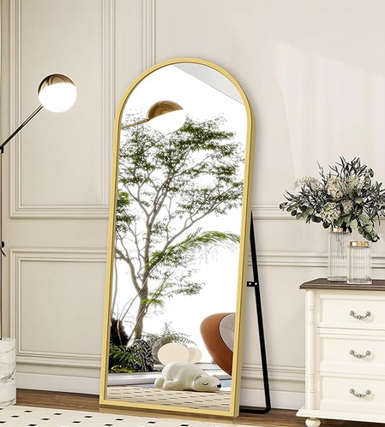 | https://www.amazon.com/GlasFlength-Full-Length-Mirror-Stand/dp/B0DK1FPCM9/ref=sr_1_1?crid=383AB5Z0B4QFM&dib=eyJ2IjoiMSJ9.jO202J5Wdf-e7L5_bA47Ew.EAUsG-8IBL6Y4vvfgC6t9Lmk4l16MIJeF4YbHMdI3nE&dib_tag=se&keywords=B0DK1FPCM9&qid=1743588089&sprefix=b0dk1fpcm9%2Caps%2C324&sr=8-1&th=1
ZNH-SMR0119390-JGX | ZNH-SMR0119390-JGX | ZNH-SMR0119390-JGX | 183 | B0CP7SC2HX | 189.99 |  | https://www.amazon.com/TinyTimes-Length-Mirror-Contemporary-Aluminum/dp/B0CP7SC2HX/ref=sr_1_1?crid=25ZNAKHGPD5N0&dib=eyJ2IjoiMSJ9.8m_HCdGBomw7RKOZH1VyGw.OhUCYFUUKGwZmA3aMr5RCGaGb62Cpqle-N2q28TNnQU&dib_tag=se&keywords=B0CP7SC2HX&qid=1743588105&sprefix=b0cp7sc2hx%2Caps%2C340&sr=8-1
MIRROR | MIRROR | ZNH-MR0119390-HGX | 155 | B0CXTFHYJT | 229.99
MIRROR | MIRROR | ZNH-MR0114450-HGX | 396 | B0DDP3SGJ4 | 69.99
MIRROR | MIRROR | ZNH-SMR0114450-HGX | 396 | B0DDP3SGJ4 | 69.99 | 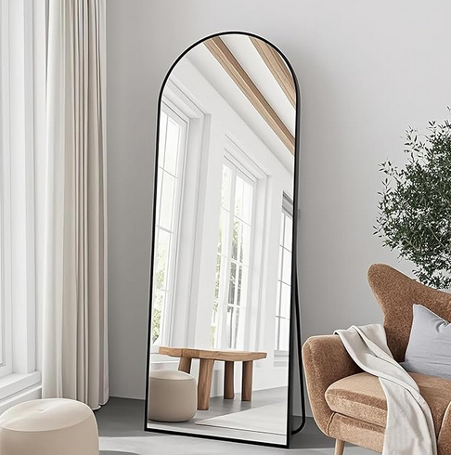 | https://www.amazon.com/TinyTimes-Arched-Length-Bedroom-Aluminum/dp/B0DDP3SGJ4/ref=sr_1_1?crid=1ND9IJTY55UND&dib=eyJ2IjoiMSJ9.1I_3fN7P5IvL2BmIUcW54Q.zUit1Ht45854pVrJqe0KzL8Qo13ZVnkiqbldPy10X0k&dib_tag=se&keywords=B0DDP3SGJ4&qid=1743588157&sprefix=b0ddp3sgj4%2Caps%2C309&sr=8-1
MIRROR | MIRROR | ZNH-SMR0114450-JGX | 80 | B0DK1FPCM9 | 49.99
MIRROR | MIRROR | ZNH-SMR0119390-JZJ | 20 | B0D631TJHY | 199.99
MIRROR | MIRROR | ZNH-SMR0119390-JZJ | 17 | B0D631TJHY | 199.99
 |  | 5649

